Job Details

Job Number & Name: | 35084 LB Bexley
Site Number/Name: | Site 2 - Bedonwell Road
Client: | Waterman
Date: | 2023-03-30

Site Plan
Advanced Transport Research |  |  | Job Number & Name: | 35084 LB Bexley
Site 2 - Bedonwell Road |  |  | Date: | 2023-03-30

Job Type: | Pedestrian & Vehicle Count
Co-ordinates: | 51°28'48.35"N, 0° 8'2.44"E | Postcode: | DA17 5PF |  | Times: | 0730-0930 1430-1630

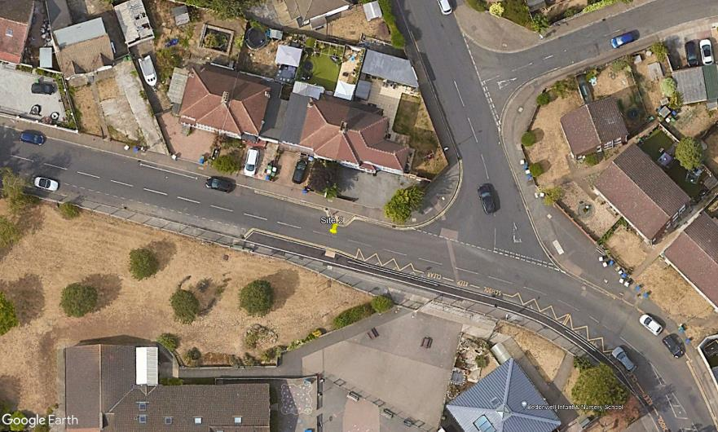
N
Westergate Road

3

A
D
B
Bedonwell Road
C

1
2

